Sheet1
Story # | Story Description | Test Priority | Test Status | Description of Story | P2P / E2E Integration Requirements | Activity Diagram (Control Flow) | Test Step ID | Test Steps Description | Test Input | Expected Outputs | Test Category | Actual Result | Pass/Faile | Defect-ID (JIRA) (if Fail) | Automation (Status)
UDBTEY-105 | Capturing POI Passport No. (POI acts as POA) |  |  | As a Business executive, I need the ability to select Passport as the Proof of Identity (POI) type for a Co-applicant and capture their Passport Number and Expiry Date using either OCR or manual entry. This feature enables KYC checks in the lending application. Pre-Conditions for Testing: The lending application is accessible and operational. The Business executive is logged into the Front-End (FE) App. The Co-applicant has selected Passport as their chosen POI type. The system has been configured to integrate with the finalized FinTech OCR API. Necessary access permissions and validations have been set up for the Passport-related fields. A valid Passport document or data is available for testing OCR functionality. | Integration with FinTech OCR API: The lending application must seamlessly integrate with the chosen FinTech OCR API for document scanning and data extraction. Ensure that the API endpoints, authentication, and data format are compatible with the lending application. Establish a secure and reliable connection to transmit data between the lending application and the FinTech OCR API. Data Mapping and Transformation: Define how data extracted from the OCR process will be mapped and transformed to fit the data structure of the lending application. Ensure proper handling of data fields, including Passport Number and Expiry Date, to avoid data corruption or loss during integration. Error Handling and Logging: Implement robust error handling mechanisms to capture and log any integration errors or failures. Create a notification system to alert administrators or support teams in case of integration issues. Testing Environment Setup: Establish a dedicated testing environment that mirrors the production environment to conduct integration testing. Ensure that the testing environment includes a sandbox or mock version of the FinTech OCR API for testing purposes. | 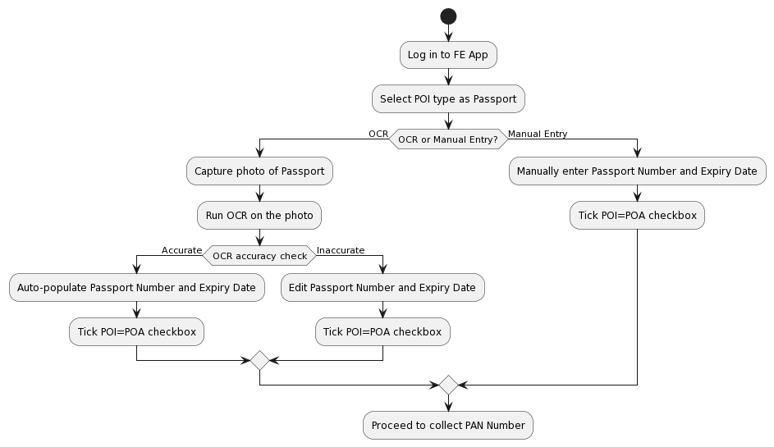 | TC01 | Log in to the FE App. | Valid credentials | Successful login. | Positive
 |  |  |  |  |  |  | TC02 | Select POI type as Passport. | Passport selected | POI=POA checkbox is auto-ticked. | Positive
 |  |  |  |  |  |  | TC03 | Select POI type as another option (e.g., Aadhaar). | Aadhaar selected | Aadhaar is selected as the POI type. | Positive
 |  |  |  |  |  |  | TC04 | Choose to capture Passport via OCR. | OCR selected | System prompts for capturing a photo of the Passport. | Positive
 |  |  |  |  |  |  | TC05 | Capture a valid Passport photo for OCR. | Valid Passport photo | OCR runs successfully, and Passport Number and Expiry Date are populated. | Positive
 |  |  |  |  |  |  | TC06 | Capture an invalid Passport photo for OCR. | Invalid Passport photo | OCR fails, and an error message is displayed. | Negative
 |  |  |  |  |  |  | TC07 | Manually enter a valid Passport Number and Expiry Date. | Valid Passport Number and Expiry Date | Passport Number and Expiry Date are entered, and POI=POA is auto-ticked. | Positive
 |  |  |  |  |  |  | TC08 | Manually enter an invalid Passport Number. | Invalid Passport Number | Error message for invalid Passport Number. | Negative
 |  |  |  |  |  |  | TC09 | Manually enter an invalid Expiry Date. | Invalid Expiry Date | Error message for invalid Expiry Date. | Negative
 |  |  |  |  |  |  | TC10 | Proceed to capture PAN Number after successful POI. | Valid PAN Number | PAN Number captured | Positive
 |  |  |  |  |  |  | TC11 | Proceed to collect PAN Number after unsuccessful POI. | Valid PAN Number | PAN Number captured | Exception
 |  |  |  |  |  |  | TC12 | Proceed to collect PAN Number after OCR failure. | Valid PAN Number | PAN Number captured | Exception
 |  |  |  |  |  |  | TC13 | Proceed to collect PAN Number after manual entry. | Valid PAN Number | PAN Number captured | Positive
 |  |  |  |  |  |  | TC14 | System fails to log in due to invalid credentials. | Invalid credentials | Error message for invalid login. | Negative
 |  |  |  |  |  |  | TC15 | Select an unsupported POI type (e.g., Social Security). | Social Security selected | Error message for unsupported POI type. | Negative

